Module 3
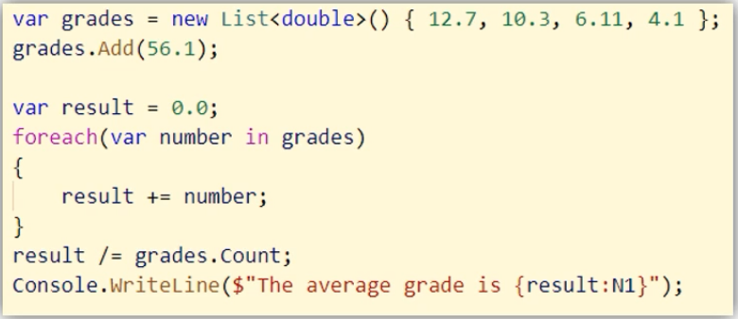
Creating Class
Class define new Type. Type allow to do thing and work done.
Declare inside NameSpace, if not it will be Global Class that can cause Complier error and dangerous
Class should not complex to know it's purpose easily when we recall after some Months or Years
Can Create one or more Class in one file, but should create only One Class for best pratice

Field
Field look like Variable in Class, but not in Method. Can't Declare with "var" Keyword.

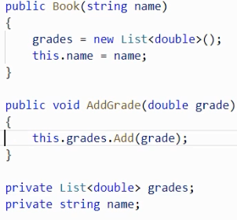
Constructor
When we call Method that invoke Constructor.
Constructor must equal Class Name.
We need to Initialize Field or Variable in Constructor to work properly our program.
Left hand side is Field. Right hand side is Parameter. Use this key To classify Field and Parameter
We can use this keyword when we use local Field, we don't use because it will be complex code.
We will use this keyword for only Clutter(make a mess) State

Encapsulation
Hiding Complexities and Hiding Details

Access Modifiers - Public or Private keys

Static
Static Member don't need to create object when we call Static Method. Just call ClassName.MethodName.

Methods and Fields(Variable) in Class are Instance Method or Member that are not Static type.
If we call Instance Method from another Class, we need to create Object.

var (Implicitly-Type) Keyed Word must be Initialized

Module 2

Module 4
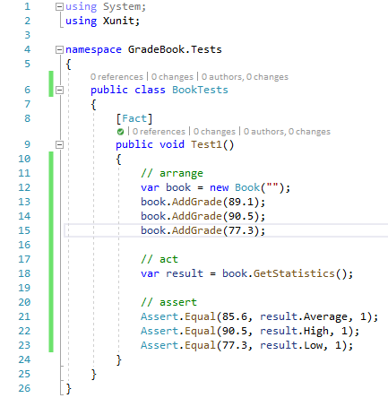

Module 5
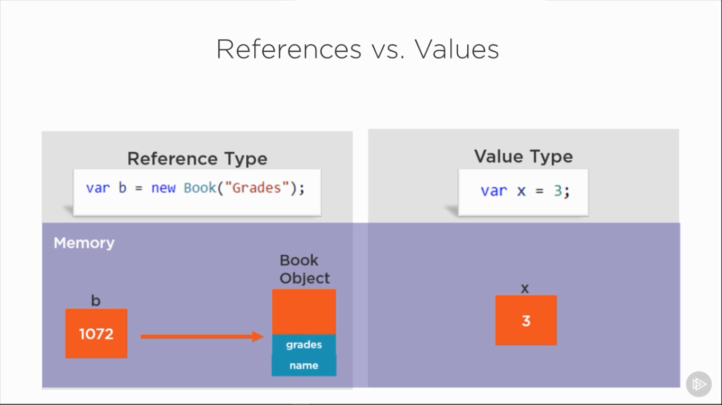
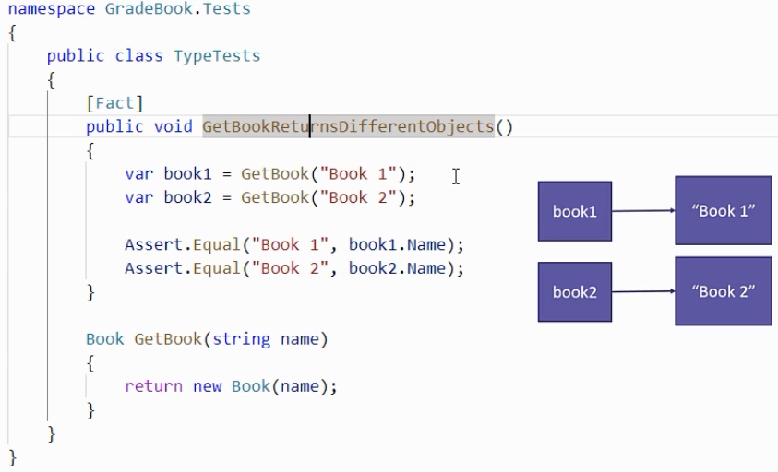

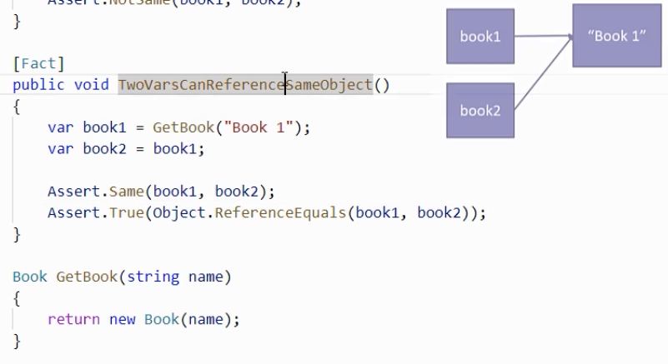
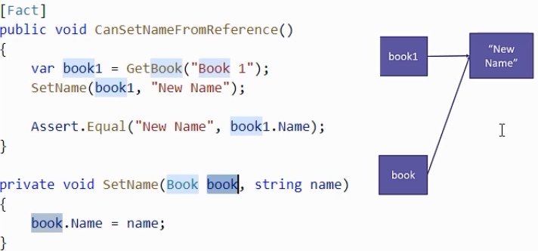

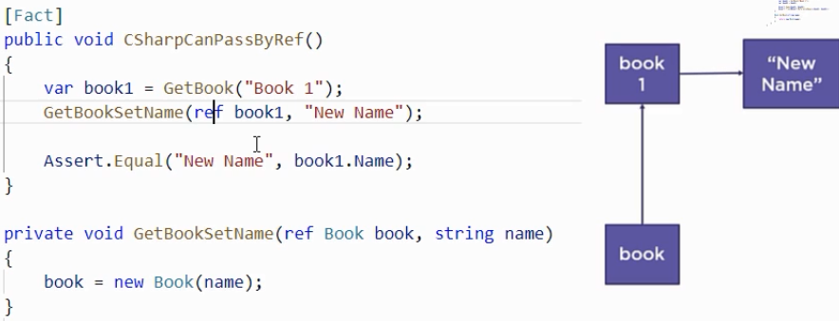
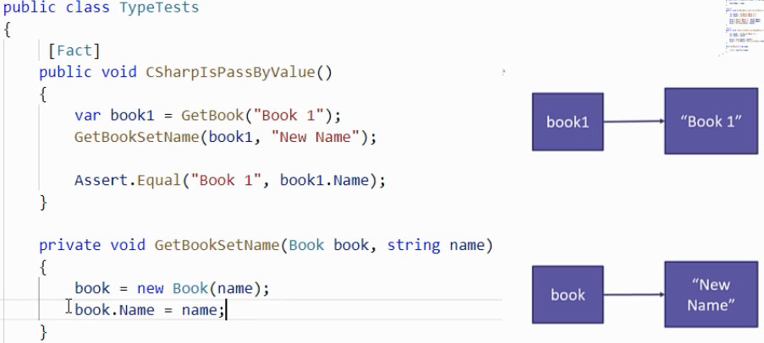

ref parameter and out parameter will be passed by reference and not by value.

Note : C# compiler assumes out parameter that incoming reference has not been initialized, so need to initialized the parameter, if not that will get error.

Class Type is Reference Type, Struct Type is Value Type.

String is Class Type, but it behave Reference and Value Type.

When I'm finished using an object, need to delete that object to be free up the memory ? No, one of the .Net runtime service provide garbage collector.it clean up and deallocate if Nothing is using that object.

Module 6
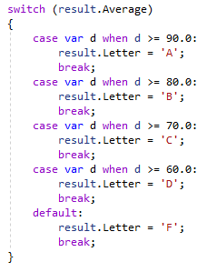
Pattern Matching with switch

Module 7
Overloading Method can declare Same Name Method with different Parameters

Property same with Field, but their defferences is that can classify Getter and Setter and can give permission differently. Eg.., Getter is public, but Setter is private.

There are ReadOnly and Const. ReadOnly can initialize in Field and Constructor. Const can only initialize in Field.

Delegate ability to declare Variable can use like a Method, so this Variable can invoke and can pass parameters. Can invoke multiple Methods

Should separate .cs file because Delegate is a Type (One File per Type in C#)

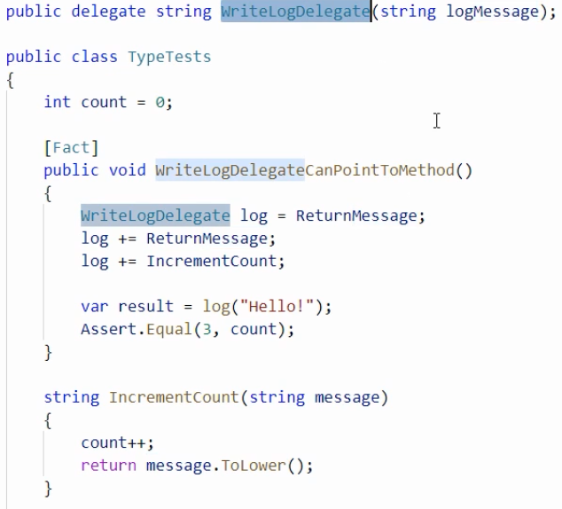

Object Type is Base Type, can pass anything to that parameter.

Interface contains no implementation details. Interface Type name will begin with an uppercase "I". Can specify 0 or more Interface.

Virtual and Abstract key in Base Class say that the drived class might choose to override the Implementation details for this Method.

Sheet1
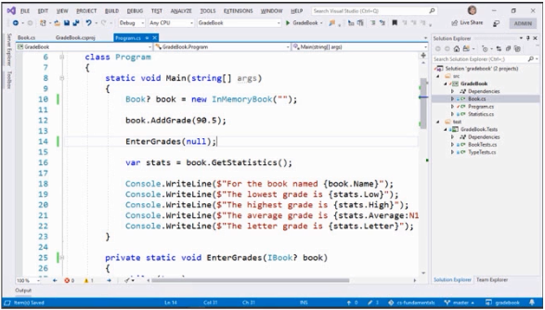
Working with Non-nullable Reference Types

